Feuil1
Modele : XGBoost - maximiser l'accuracy

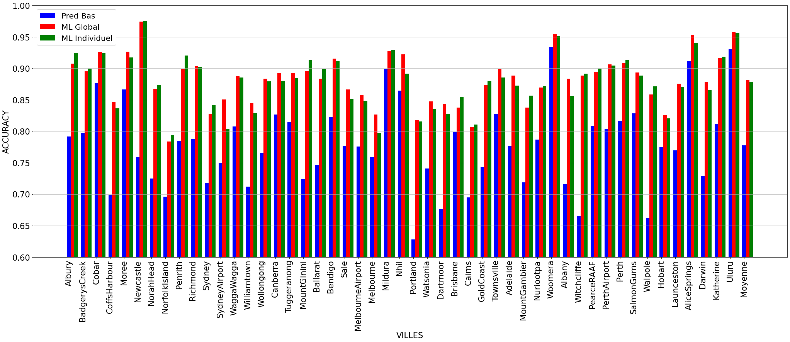
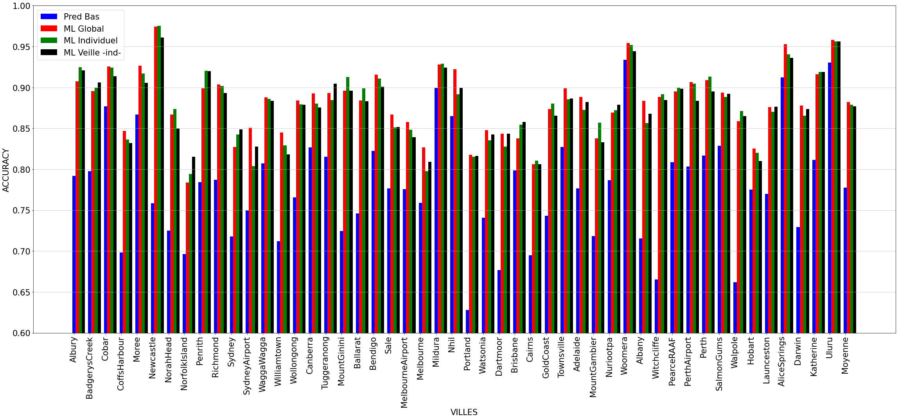
Villes | Score ML Individuel | Score ML global | Score Pred Base | ML Veille -indi-
Albury | 0.92477876106 | 0.90757238307 | 0.79175946548 | 0.92084726867
BadgerysCreek | 0.89988623436 | 0.89538807649 | 0.79752530934 | 0.90614136732
Cobar | 0.92419175028 | 0.92584514722 | 0.87677208288 | 0.91377379619
CoffsHarbour | 0.83634311512 | 0.84686774942 | 0.69837587007 | 0.83219954649
Moree | 0.91715285881 | 0.92652123995 | 0.86681974742 | 0.90572792363
Newcastle | 0.97519729425 | 0.97456647399 | 0.75838150289 | 0.96105383734
NorahHead | 0.87372013652 | 0.86696730552 | 0.72491544532 | 0.84959816303
NorfolkIsland | 0.79438202247 | 0.78360655738 | 0.69617486339 | 0.81527936146
Penrith | 0.9202247191 | 0.89907192575 | 0.78422273782 | 0.91981672394
Richmond | 0.90180586907 | 0.90384615385 | 0.78733031674 | 0.89293849658
Sydney | 0.84231536926 | 0.82709807887 | 0.71789686552 | 0.84884884885
SydneyAirport | 0.80376940133 | 0.85087719298 | 0.75 | 0.82777777778
WaggaWagga | 0.88577827548 | 0.88811995386 | 0.80738177624 | 0.88361581921
Williamtown | 0.82898172324 | 0.84482758621 | 0.71220159151 | 0.81818181818
Wollongong | 0.87932960894 | 0.88387824126 | 0.76550169109 | 0.87878787879
Canberra | 0.88011695906 | 0.89254598258 | 0.82671829622 | 0.87573964497
Tuggeranong | 0.88444444444 | 0.89316239316 | 0.81517094017 | 0.90448791715
MountGinini | 0.91294387171 | 0.89585666293 | 0.72452407615 | 0.89619377163
Ballarat | 0.89878987899 | 0.88387096774 | 0.74623655914 | 0.88300220751
Bendigo | 0.91108671789 | 0.9155982906 | 0.82264957265 | 0.90088105727
Sale | 0.85111111111 | 0.86666666667 | 0.77666666667 | 0.85172798216
MelbourneAirport | 0.84828349945 | 0.85779294653 | 0.77588168373 | 0.83918459796
Melbourne | 0.7975376197 | 0.82682291667 | 0.75911458333 | 0.8093220339
Mildura | 0.92912513843 | 0.92809734513 | 0.89933628319 | 0.92444444444 | Parameters :
Nhil | 0.89171974522 | 0.92246520875 | 0.8648111332 | 0.89957264957
Portland | 0.81535038932 | 0.81787709497 | 0.62793296089 | 0.81605351171
Watsonia | 0.83555555556 | 0.84780157835 | 0.74069898534 | 0.84263392857
Dartmoor | 0.82785956965 | 0.84356894554 | 0.67670915411 | 0.84360730594
Brisbane | 0.85458377239 | 0.83786724701 | 0.79869423286 | 0.85790031813
Cairns | 0.8104793757 | 0.80620985011 | 0.6948608137 | 0.80634201586
GoldCoast | 0.88031319911 | 0.87374301676 | 0.74301675978 | 0.86538461538
Townsville | 0.88571428571 | 0.8989010989 | 0.82747252747 | 0.88626126126
Adelaide | 0.87270765912 | 0.88842105263 | 0.77684210526 | 0.88228941685
MountGambier | 0.85698569857 | 0.83789704272 | 0.71851040526 | 0.83314917127
Nuriootpa | 0.87236403996 | 0.86941964286 | 0.78683035714 | 0.87861915367
Woomera | 0.95206243032 | 0.95444685466 | 0.93383947939 | 0.94407158837
Albany | 0.85635359116 | 0.88342857143 | 0.71542857143 | 0.86786114222
Witchcliffe | 0.89164785553 | 0.88849347568 | 0.66548042705 | 0.88470588235
PearceRAAF | 0.89987937274 | 0.895 | 0.80875 | 0.89855072464
PerthAirport | 0.90476190476 | 0.90663667042 | 0.8031496063 | 0.88359201774
Perth | 0.9133611691 | 0.90899795501 | 0.81697341513 | 0.89506820567
SalmonGums | 0.88838782413 | 0.89361702128 | 0.82866741321 | 0.89207807118
Walpole | 0.87115839243 | 0.85872235872 | 0.66216216216 | 0.86492890995
Hobart | 0.82027168234 | 0.82531380753 | 0.77510460251 | 0.81007345226
Launceston | 0.8701870187 | 0.87585421412 | 0.76993166287 | 0.87637969095
AliceSprings | 0.94065934066 | 0.95284030011 | 0.91211146838 | 0.93619361936
Darwin | 0.86534446764 | 0.87809917355 | 0.72933884298 | 0.87341772152
Katherine | 0.9188034188 | 0.91627906977 | 0.81162790698 | 0.9188034188
Uluru | 0.95623632385 | 0.95798319328 | 0.93067226891 | 0.95623632385
Moyenne | 0.87906213189 | 0.88215005473 | 0.77757500386 | 0.87700706942

Modele : XGBoost - maximiser l'AUC

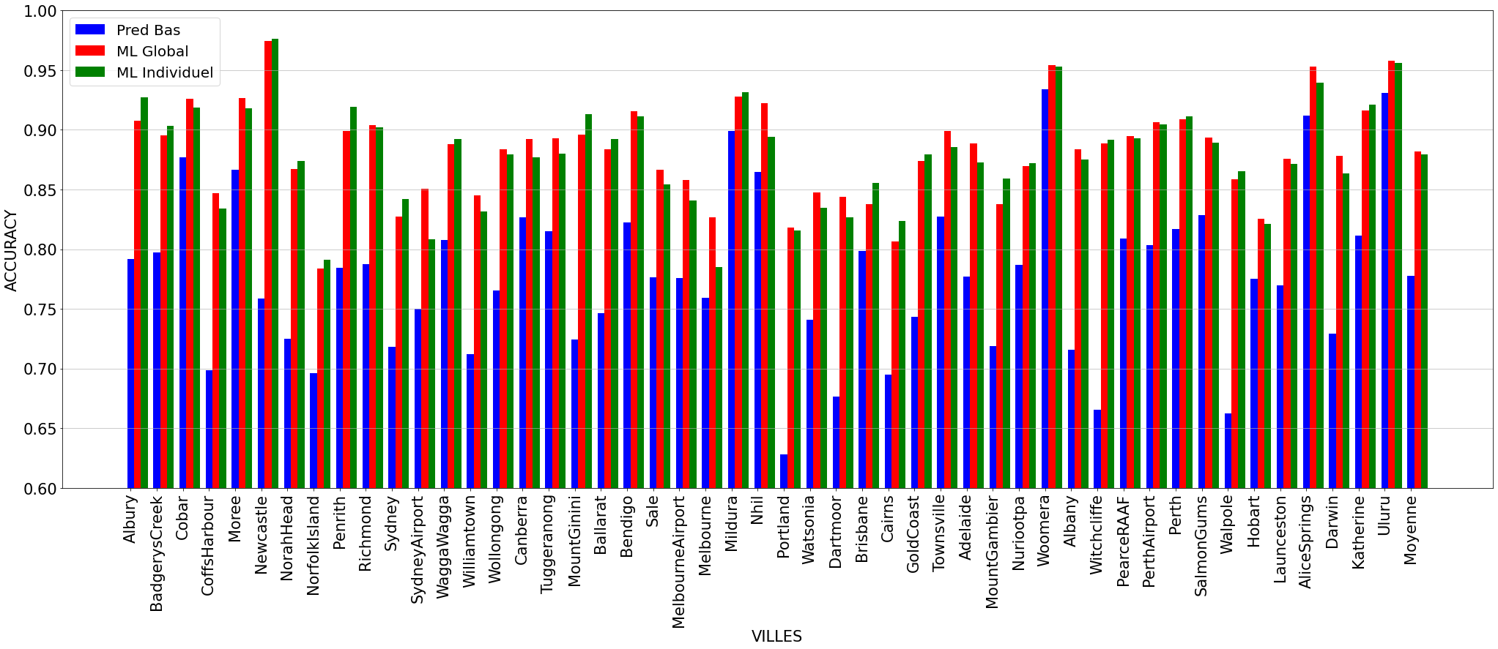
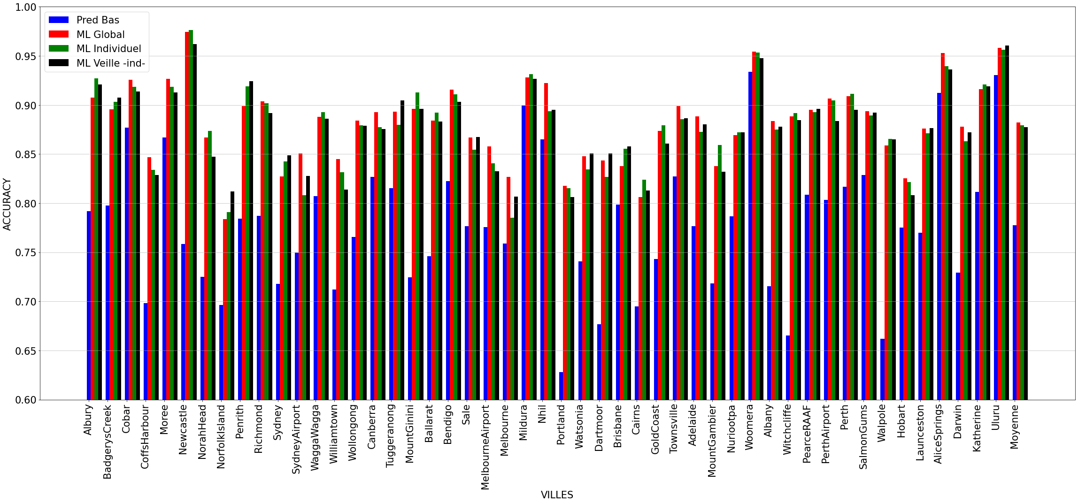
Villes | Score ML Individuel | Score ML global | Score Pred Base | ML Veille -indi-
Albury | 0.92699115044 | 0.90757238307 | 0.79175946548 | 0.92084726867
BadgerysCreek | 0.90329920364 | 0.89538807649 | 0.79752530934 | 0.90730011587
Cobar | 0.91861761427 | 0.92584514722 | 0.87677208288 | 0.91377379619
CoffsHarbour | 0.83408577878 | 0.84686774942 | 0.69837587007 | 0.82879818594
Moree | 0.91831971995 | 0.92652123995 | 0.86681974742 | 0.91288782816
Newcastle | 0.97632468997 | 0.97456647399 | 0.75838150289 | 0.96219931271
NorahHead | 0.87372013652 | 0.86696730552 | 0.72491544532 | 0.84730195178
NorfolkIsland | 0.79101123596 | 0.78360655738 | 0.69617486339 | 0.81185860889
Penrith | 0.9191011236 | 0.89907192575 | 0.78422273782 | 0.92439862543
Richmond | 0.90180586907 | 0.90384615385 | 0.78733031674 | 0.89179954442
Sydney | 0.84231536926 | 0.82709807887 | 0.71789686552 | 0.84884884885
SydneyAirport | 0.80820399113 | 0.85087719298 | 0.75 | 0.82777777778
WaggaWagga | 0.89249720045 | 0.88811995386 | 0.80738177624 | 0.88587570621
Williamtown | 0.8315926893 | 0.84482758621 | 0.71220159151 | 0.81398601399
Wollongong | 0.87932960894 | 0.88387824126 | 0.76550169109 | 0.87878787879
Canberra | 0.87719298246 | 0.89254598258 | 0.82671829622 | 0.87573964497
Tuggeranong | 0.88 | 0.89316239316 | 0.81517094017 | 0.90448791715
MountGinini | 0.91294387171 | 0.89585666293 | 0.72452407615 | 0.89619377163
Ballarat | 0.89218921892 | 0.88387096774 | 0.74623655914 | 0.88300220751
Bendigo | 0.91108671789 | 0.9155982906 | 0.82264957265 | 0.90308370044
Sale | 0.85444444444 | 0.86666666667 | 0.77666666667 | 0.86733556299
MelbourneAirport | 0.84053156146 | 0.85779294653 | 0.77588168373 | 0.83238958097
Melbourne | 0.78522571819 | 0.82682291667 | 0.75911458333 | 0.80649717514
Mildura | 0.93133997785 | 0.92809734513 | 0.89933628319 | 0.92666666667 | Parameters :
Nhil | 0.89384288747 | 0.92246520875 | 0.8648111332 | 0.8952991453
Portland | 0.81535038932 | 0.81787709497 | 0.62793296089 | 0.80602006689
Watsonia | 0.83444444444 | 0.84780157835 | 0.74069898534 | 0.85044642857
Dartmoor | 0.82672706682 | 0.84356894554 | 0.67670915411 | 0.850456621
Brisbane | 0.85563751317 | 0.83786724701 | 0.79869423286 | 0.85790031813
Cairns | 0.82385730212 | 0.80620985011 | 0.6948608137 | 0.81313703284
GoldCoast | 0.87919463087 | 0.87374301676 | 0.74301675978 | 0.86085972851
Townsville | 0.88571428571 | 0.8989010989 | 0.82747252747 | 0.88626126126
Adelaide | 0.87270765912 | 0.88842105263 | 0.77684210526 | 0.88012958963
MountGambier | 0.85918591859 | 0.83789704272 | 0.71851040526 | 0.8320441989
Nuriootpa | 0.87236403996 | 0.86941964286 | 0.78683035714 | 0.8719376392
Woomera | 0.95317725753 | 0.95444685466 | 0.93383947939 | 0.94742729306
Albany | 0.87513812155 | 0.88342857143 | 0.71542857143 | 0.87793952968
Witchcliffe | 0.89164785553 | 0.88849347568 | 0.66548042705 | 0.88470588235
PearceRAAF | 0.89264173703 | 0.895 | 0.80875 | 0.8961352657
PerthAirport | 0.90476190476 | 0.90663667042 | 0.8031496063 | 0.88359201774
Perth | 0.91127348643 | 0.90899795501 | 0.81697341513 | 0.89506820567
SalmonGums | 0.88951521984 | 0.89361702128 | 0.82866741321 | 0.89207807118
Walpole | 0.86524822695 | 0.85872235872 | 0.66216216216 | 0.86492890995
Hobart | 0.82131661442 | 0.82531380753 | 0.77510460251 | 0.80797481637
Launceston | 0.87128712871 | 0.87585421412 | 0.76993166287 | 0.87637969095
AliceSprings | 0.93956043956 | 0.95284030011 | 0.91211146838 | 0.93619361936
Darwin | 0.86325678497 | 0.87809917355 | 0.72933884298 | 0.8723628692
Katherine | 0.92094017094 | 0.91627906977 | 0.81162790698 | 0.9188034188
Uluru | 0.95623632385 | 0.95798319328 | 0.93067226891 | 0.96061269147
Moyenne | 0.87912647518 | 0.88215005473 | 0.77757500386 | 0.87735779598

